Screenshots
Defect ID | Screenshot 1 | Screenshot 2 | Screenshot 3 | Screenshot 4 | Screenshot 5
DE001 |  | 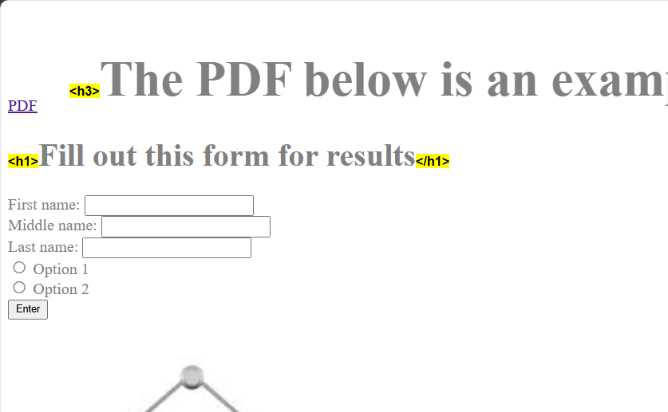 | Screnshots to left | Screnshots to left | Screnshots to left
DE002 | 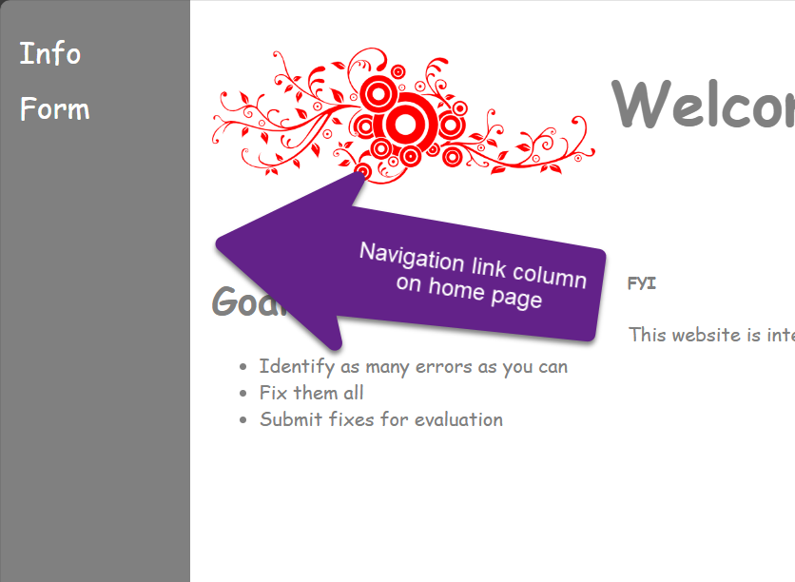 | 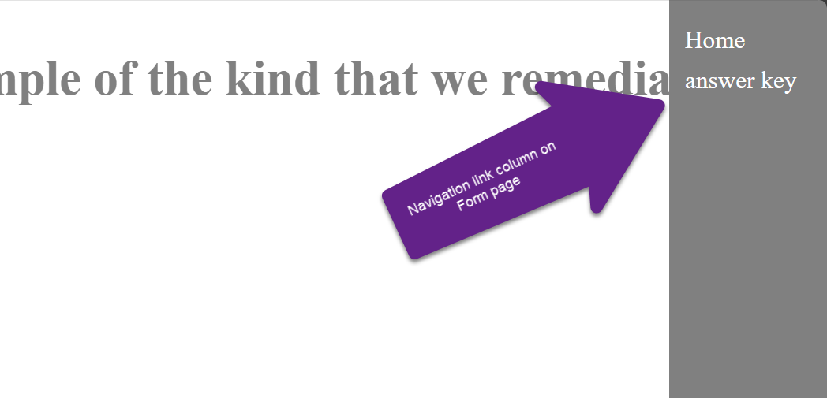 | Screnshots to left | Screnshots to left | Screnshots to left
DE003 | 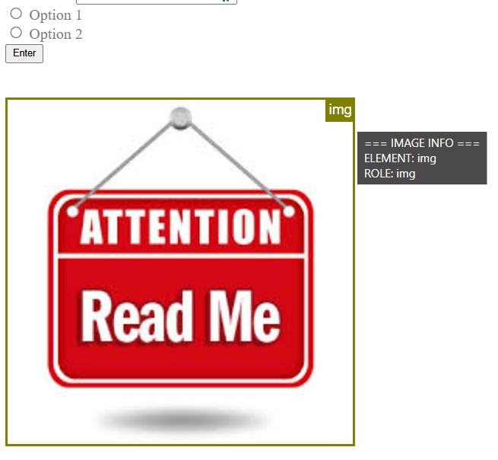 | 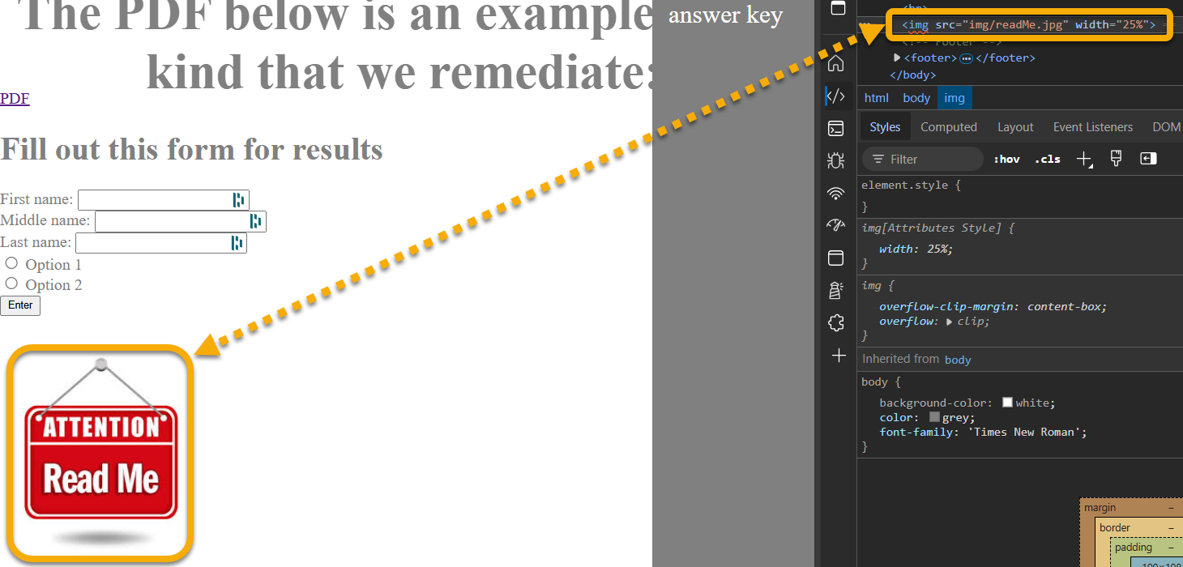 | Screnshots to left | Screnshots to left | Screnshots to left
DE004 |  | 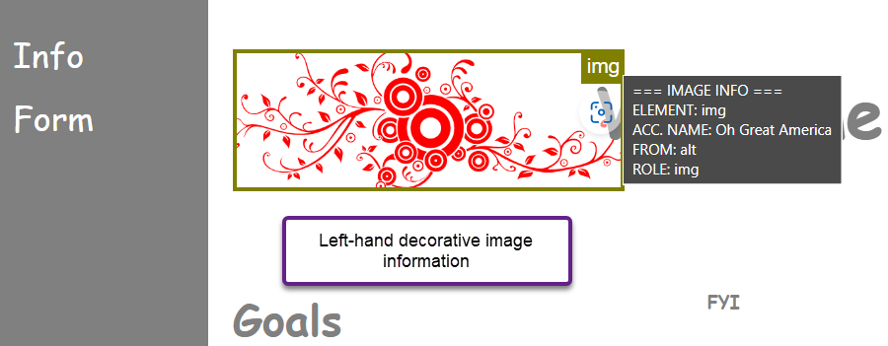 | Screnshots to left | Screnshots to left | Screnshots to left
DE005 | 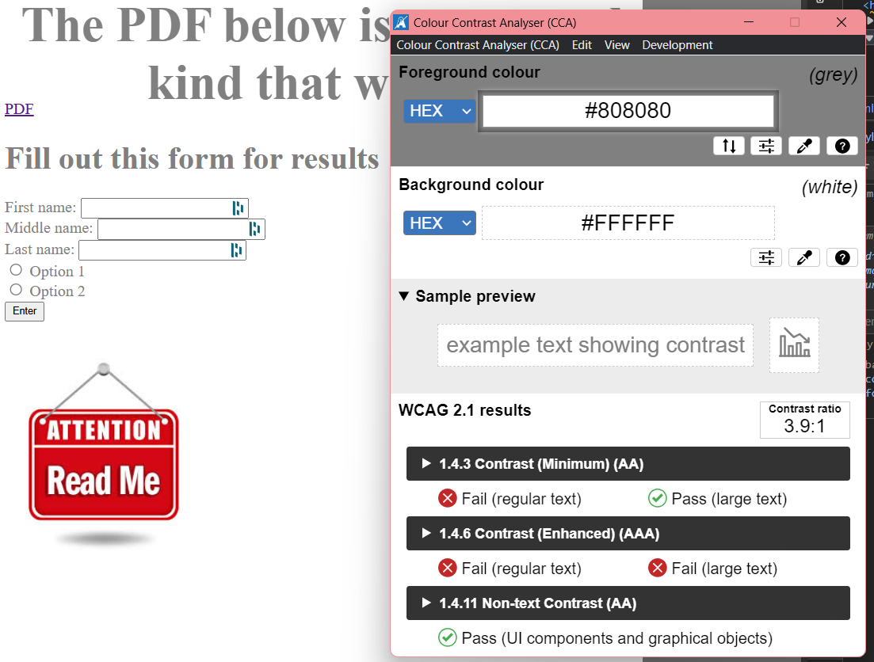 | Screenshots to the left. | Screnshots to left | Screnshots to left | Screnshots to left
DE006 |  | 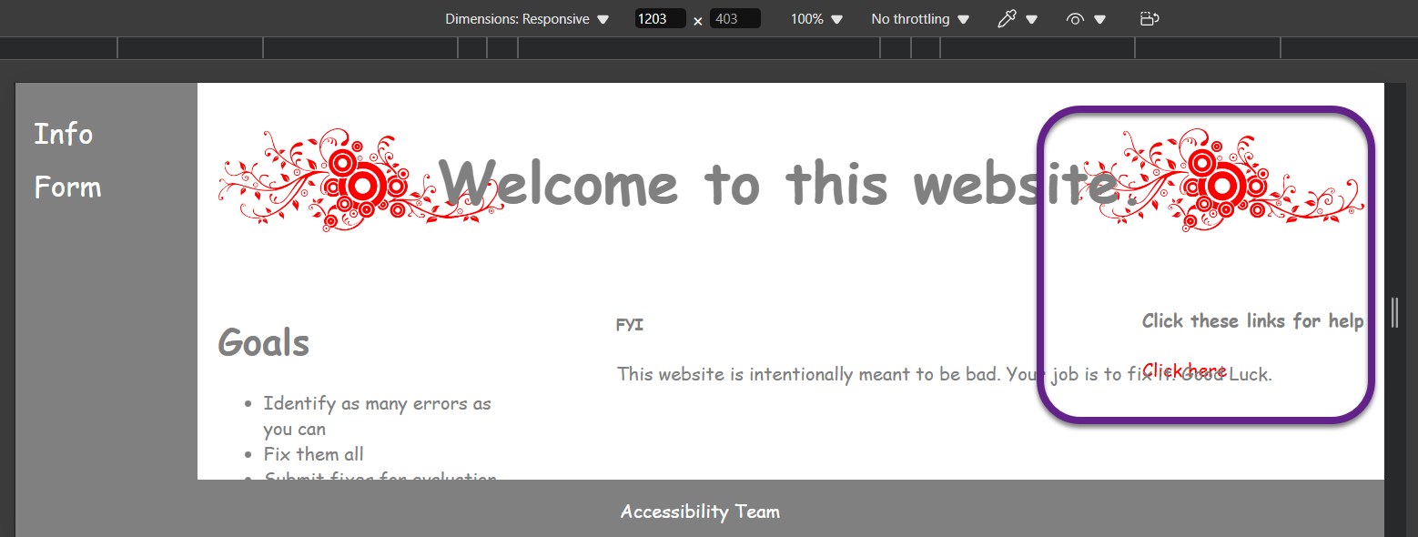 | 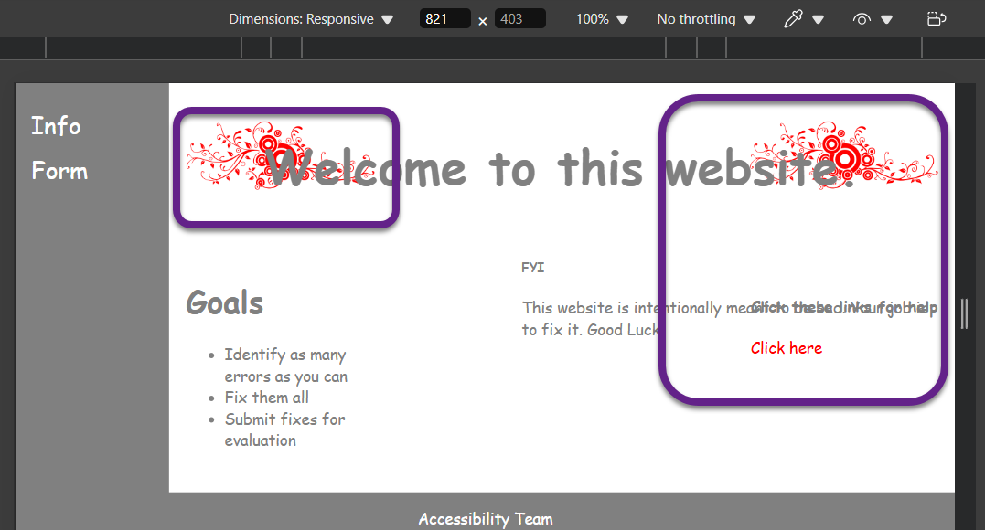 | Screnshots to left | Screnshots to left

